Sheet1
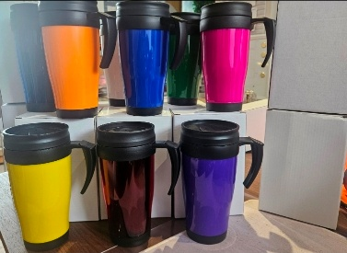
REF | IMAGE | DESCRIPTION | INSULATION | PACKAGING | DETAILED DESCRIPTION | QTY | PALLET COUNT
701437.99.03 | 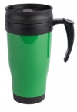 | Thermo Travel Mug Emerald Green | 400ML DOUBLE WALL | PLAIN WHITE BOX WITH - NO BARCODE | A highly popular and cost effective, double wall insulated travel mug made from PP, featuring hook handle and screw on lid with slide action seal. A sufficient 400ml (14oz) capacity that offers a great branding space, suitable for practically any industry. BPA free. Commodity Code: 3924100090 Length 65mm Width 65mm Height 175mm | 1,519 | 2
701437.15.03 | 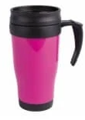 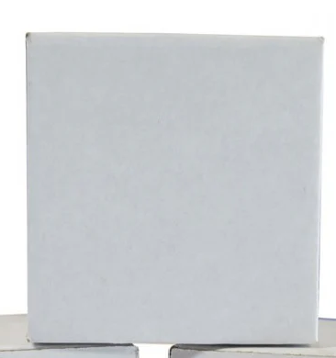 | Thermo Travel Mug Hot Pink | 400ML DOUBLE WALL | PLAIN WHITE BOX WITH - NO BARCODE | A highly popular and cost effective, double wall insulated travel mug made from PP, featuring hook handle and screw on lid with slide action seal. A sufficient 400ml (14oz) capacity that offers a great branding space, suitable for practically any industry. BPA free. Commodity Code: 3924100090 Length 65mm Width 65mm Height 175mm | 5,250 | 8
701437.10.03 |  | Thermo Travel Mug Orange | 400ML DOUBLE WALL | PLAIN WHITE BOX WITH - NO BARCODE | A highly popular and cost effective, double wall insulated travel mug made from PP, featuring hook handle and screw on lid with slide action seal. A sufficient 400ml (14oz) capacity that offers a great branding space, suitable for practically any industry. BPA free. Commodity Code: 3924100090 Length 65mm Width 65mm Height 175mm | 3,200 | 5
701437.14.03 |  | Thermo Travel Mug Purple | 400ML DOUBLE WALL | PLAIN WHITE BOX WITH - NO BARCODE | A highly popular and cost effective, double wall insulated travel mug made from PP, featuring hook handle and screw on lid with slide action seal. A sufficient 400ml (14oz) capacity that offers a great branding space, suitable for practically any industry. BPA free. Commodity Code: 3924100090 Length 65mm Width 65mm Height 175mm | 3,570 | 6
701437.44.03 | 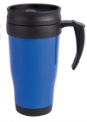 | Thermo Travel Mug Reflex Blue | 400ML DOUBLE WALL | PLAIN WHITE BOX WITH - NO BARCODE | A highly popular and cost effective, double wall insulated travel mug made from PP, featuring hook handle and screw on lid with slide action seal. A sufficient 400ml (14oz) capacity that offers a great branding space, suitable for practically any industry. BPA free. Commodity Code: 3924100090 Length 65mm Width 65mm Height 175mm | 1,740 | 4
701437.04.03 | 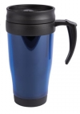 | Thermo Travel Mug Translucent Blue | 400ML DOUBLE WALL | PLAIN WHITE BOX WITH - NO BARCODE | A highly popular and cost effective, double wall insulated travel mug made from PP, featuring hook handle and screw on lid with slide action seal. A sufficient 400ml (14oz) capacity that offers a great branding space, suitable for practically any industry. BPA free. Commodity Code: 3924100090 Length 65mm Width 65mm Height 175mm | 2,400 | 4
701437.05.03 | 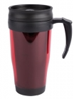 | Thermo Travel Mug Translucent Red | 400ML DOUBLE WALL | PLAIN WHITE BOX WITH - NO BARCODE | A highly popular and cost effective, double wall insulated travel mug made from PP, featuring hook handle and screw on lid with slide action seal. A sufficient 400ml (14oz) capacity that offers a great branding space, suitable for practically any industry. BPA free. Commodity Code: 3924100090 Length 65mm Width 65mm Height 175mm | 1,755 | 4
701437.06.03 | 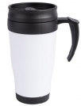 | Thermo Travel Mug White | 400ML DOUBLE WALL | PLAIN WHITE BOX WITH - NO BARCODE | A highly popular and cost effective, double wall insulated travel mug made from PP, featuring hook handle and screw on lid with slide action seal. A sufficient 400ml (14oz) capacity that offers a great branding space, suitable for practically any industry. BPA free. Commodity Code: 3924100090 Length 65mm Width 65mm Height 175mm | 5,039 | 8
701437.08.03 | 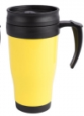 | Thermo Travel Mug Yellow | 400ML DOUBLE WALL | PLAIN WHITE BOX WITH - NO BARCODE | A highly popular and cost effective, double wall insulated travel mug made from PP, featuring hook handle and screw on lid with slide action seal. A sufficient 400ml (14oz) capacity that offers a great branding space, suitable for practically any industry. BPA free. Commodity Code: 3924100090 Length 65mm Width 65mm Height 175mm | 2,547 | 4
TSC500419 |  | Verona Mug - Hot Pink | 450ML | INDIVIDUAL PP BAG - NO BARCODE | This reusable, single walled coffee mug is made from PP and features a black silicone band around the middle for comfortable drinking. The lid screws firmly on with sip hole to make drinking on the go easier. BPA free with a 450ml capacity. Commodity Code 3924100011 Length 60mm Width 60mm Height 150mm | 1,000 | 1
701479.515 |  | Milano Coffee Mug 450ml Emerald Green | 450ML | INDIVIDUAL PP BAG - NO BARCODE | This reusable, single walled coffee mug is made from PP and features a black silicone band around the middle for comfortable drinking. The lid screws firmly on with sip hole to make drinking on the go easier. BPA free with a 450ml capacity. Commodity Code 3924100011 Length 60mm Width 60mm Height 150mm | 1,091 | 2
701479.31 | 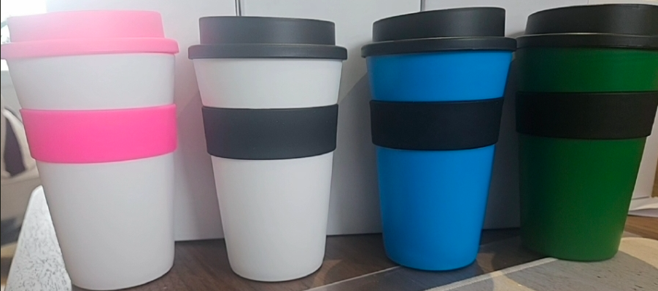 | Milano Coffee Mug 450ml Light Blue | 450ML | INDIVIDUAL PP BAG - NO BARCODE | This reusable, single walled coffee mug is made from PP and features a black silicone band around the middle for comfortable drinking. The lid screws firmly on with sip hole to make drinking on the go easier. BPA free with a 450ml capacity. Commodity Code 3924100011 Length 60mm Width 60mm Height 150mm | 3,500 | 6
701479.7 |  | Milano Coffee Mug 450ml Purple | 450ML | INDIVIDUAL PP BAG - NO BARCODE | This reusable, single walled coffee mug is made from PP and features a black silicone band around the middle for comfortable drinking. The lid screws firmly on with sip hole to make drinking on the go easier. BPA free with a 450ml capacity. Commodity Code 3924100011 Length 60mm Width 60mm Height 150mm | 3,250 | 6
701479.3 |  | Milano Coffee Mug 450ml Red | 450ML | INDIVIDUAL PP BAG - NO BARCODE | This reusable, single walled coffee mug is made from PP and features a black silicone band around the middle for comfortable drinking. The lid screws firmly on with sip hole to make drinking on the go easier. BPA free with a 450ml capacity. Commodity Code 3924100011 Length 60mm Width 60mm Height 150mm | 1,450 | 2
701479.12 |  | Milano Coffee Mug 450ml White | 450ML | INDIVIDUAL PP BAG - NO BARCODE | This reusable, single walled coffee mug is made from PP and features a black silicone band around the middle for comfortable drinking. The lid screws firmly on with sip hole to make drinking on the go easier. BPA free with a 450ml capacity. Commodity Code 3924100011 Length 60mm Width 60mm Height 150mm | 2,100 | 3
 |  |  |  |  |  | 39,411

